PopulationReport
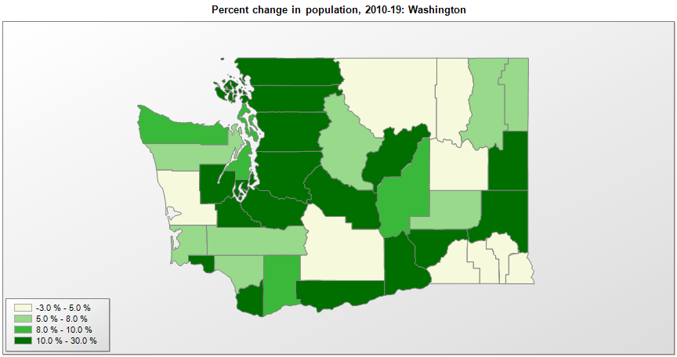

FIPS* | County name | RUC code | Pop. 1990 | Pop. 2000 | Pop. 2010 | Pop. 2019 | Change 2010-19
53000 | Washington |  | 4,866,669 | 5,894,281 | 6,724,540 | 7,614,893 | 13.2%
53001 | Adams County | 6 | 13,603 | 16,426 | 18,731 | 19,983 | 6.7%
53003 | Asotin County | 3 | 17,605 | 20,553 | 21,623 | 22,582 | 4.4%
53005 | Benton County | 2 | 112,560 | 142,473 | 175,168 | 204,390 | 16.7%
53007 | Chelan County | 3 | 52,250 | 66,611 | 72,460 | 77,200 | 6.5%
53009 | Clallam County | 5 | 56,210 | 64,183 | 71,396 | 77,331 | 8.3%
53011 | Clark County | 1 | 238,053 | 345,235 | 425,360 | 488,241 | 14.8%
53013 | Columbia County | 3 | 4,024 | 4,064 | 4,078 | 3,985 | -2.3%
53015 | Cowlitz County | 3 | 82,119 | 92,945 | 102,408 | 110,593 | 8.0%
53017 | Douglas County | 3 | 26,205 | 32,589 | 38,427 | 43,429 | 13.0%
53019 | Ferry County | 9 | 6,295 | 7,262 | 7,554 | 7,627 | 1.0%
53021 | Franklin County | 2 | 37,473 | 49,378 | 78,160 | 95,222 | 21.8%
53023 | Garfield County | 8 | 2,248 | 2,397 | 2,266 | 2,225 | -1.8%
53025 | Grant County | 5 | 54,798 | 74,714 | 89,124 | 97,733 | 9.7%
53027 | Grays Harbor County | 4 | 64,175 | 67,141 | 72,800 | 75,061 | 3.1%
53029 | Island County | 4 | 60,195 | 71,571 | 78,508 | 85,141 | 8.4%
53031 | Jefferson County | 6 | 20,406 | 26,301 | 29,880 | 32,221 | 7.8%
53033 | King County | 1 | 1,507,305 | 1,737,075 | 1,931,287 | 2,252,782 | 16.6%
53035 | Kitsap County | 2 | 189,731 | 231,982 | 251,143 | 271,473 | 8.1%
53037 | Kittitas County | 4 | 26,725 | 33,369 | 40,910 | 47,935 | 17.2%
53039 | Klickitat County | 6 | 16,616 | 19,170 | 20,317 | 22,425 | 10.4%
53041 | Lewis County | 4 | 59,358 | 68,585 | 75,457 | 80,707 | 7.0%
53043 | Lincoln County | 8 | 8,864 | 10,173 | 10,570 | 10,939 | 3.5%
53045 | Mason County | 4 | 38,341 | 49,443 | 60,689 | 66,768 | 10.0%
53047 | Okanogan County | 6 | 33,350 | 39,567 | 41,117 | 42,243 | 2.7%
53049 | Pacific County | 7 | 18,882 | 20,979 | 20,919 | 22,471 | 7.4%
53051 | Pend Oreille County | 2 | 8,915 | 11,706 | 13,001 | 13,724 | 5.6%
53053 | Pierce County | 1 | 586,203 | 700,816 | 795,222 | 904,980 | 13.8%
53055 | San Juan County | 9 | 10,035 | 14,052 | 15,768 | 17,582 | 11.5%
53057 | Skagit County | 3 | 79,545 | 103,017 | 116,892 | 129,205 | 10.5%
53059 | Skamania County | 1 | 8,289 | 9,876 | 11,070 | 12,083 | 9.2%
53061 | Snohomish County | 1 | 465,628 | 606,043 | 713,299 | 822,083 | 15.3%
53063 | Spokane County | 2 | 361,333 | 417,968 | 471,220 | 522,798 | 10.9%
53065 | Stevens County | 2 | 30,948 | 40,082 | 43,532 | 45,723 | 5.0%
53067 | Thurston County | 2 | 161,238 | 207,392 | 252,260 | 290,536 | 15.2%
53069 | Wahkiakum County | 8 | 3,327 | 3,824 | 3,979 | 4,488 | 12.8%
53071 | Walla Walla County | 3 | 48,439 | 55,177 | 58,781 | 60,760 | 3.4%
53073 | Whatcom County | 3 | 127,780 | 166,822 | 201,146 | 229,247 | 14.0%
53075 | Whitman County | 4 | 38,775 | 40,742 | 44,778 | 50,104 | 11.9%
53077 | Yakima County | 3 | 188,823 | 222,578 | 243,240 | 250,873 | 3.1%

Source: U.S. Census Bureau, 1990, 2000, and 2010 Censuses of Population (corrected), and 2019 County Total Population Estimates. 1) The FIPS codes uniquely identify each county and are part of the Federal Information Processing Standards (FIPS) developed by the National Institute of Standards and Technology (NIST), U.S. Department of Commerce. For more information, see the NIST FIPS publication page. 2) The 2013 rural-urban continuum codes classify metropolitan counties (codes 1 through 3) by size of the Metropolitan Statistical Area (MSA), and nonmetropolitan counties (codes 4 through 9) by degree of urbanization and proximity to metro areas. See rural-urban continuum codes for precise definitions of each code.

